Cover PCSM
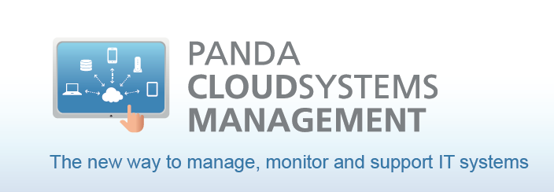

Listino 2014 Panda Security - Panda Cloud Systems Management IVA esclusa

Cover GD Performa eSeries
GateDefender Performa eSeries

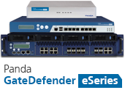
 | Listino Panda Security 2014 GateDefender Performa eSeries IVA esclusa

